Composite BOM
SOURCE
CUSTOMER
MAKE
DELIVER

Ref | Description | Preferred Supplier | ID | Preffered Supplier | Factory RM | Within the Factory | Factory Finished Goods | Distributors
1 | Boxed Speaker | Enping Tact Audio Equipment Factory |  | Factory |  |  | o----- | ----->X
2 | Cardboard Box | Guangzhou Ouhai Printing Material Co., Ltd. | A | Supplier A | o----- | ----->X
3 | Finished Speaker | Enping Tact Audio Equipment Factory |  | Factory |  | o----- | ----->X
4 | Plastic Top Shell | Smart Technology(China) Limited | B | Supplier B | o----- | ----->X
5 | Battery Lid | Smart Technology(China) Limited | B | Supplier B | o----- | ----->X
6 | Screw | Legood (Shenzhen) Hardware Technology Enterprise | C | Supplier C | o----- | ----->X
7 | Bottom Shell Assembly | Enping Tact Audio Equipment Factory |  | Factory |  | o----- | ----->X
8 | Plastic Bottom Shell | Smart Technology(China) Limited | B | Supplier B | o----- | ----->X
9 | Battery Contacts (+) | Dongguan Taihe Hardware Products Co., Ltd. | D | Supplier D | o----- | ----->X
10 | Battery Contacts (-) | Dongguan Taihe Hardware Products Co., Ltd. | D | Supplier D | o----- | ----->X
11 | Battery Contacts (+,-) | Dongguan Taihe Hardware Products Co., Ltd. | D | Supplier D | o----- | ----->X
12 | Circuit Board Assembly | Enping Tact Audio Equipment Factory |  | Factory |  | o----- | ----->X
13 | White Wire (8cm) | Dongguan City Zhongzhen New Energy Technology Ltd. | E | Supplier E | o----- | ----->X
14 | Red Wire (8cm) | Dongguan City Zhongzhen New Energy Technology Ltd. | E | Supplier E | o----- | ----->X
15 | Black Wire (8cm) | Dongguan City Zhongzhen New Energy Technology Ltd. | E | Supplier E | o----- | ----->X
16 | Speaker | Shenzhen Kaiboer Electronic Technology Co.,Ltd. | F | Supplier F | o----- | ----->X
17 | Printed Circuit Board | Shenzhen Quickpcb Circuit Co., Ltd. | G | Supplier G | o----- | ----->X
18 | Microchip | Guangzhou Liye Engineering Co., Ltd. | H | Supplier H | o----- | ----->X
19 | LED Diode | Shenzhen Jingxinchen Photoelectric Technology Co., Ltd. | I | Supplier I | o----- | ----->X
20 | 3.5 mm Audio Jack | Shenzhen Xingcheng Electronics Co., Ltd. | J | Supplier J | o----- | ----->X
21 | Toggle Switch | Shenzhen Tuozhi Electronic Co., Ltd. | K | Supplier K | o----- | ----->X

Value Circle
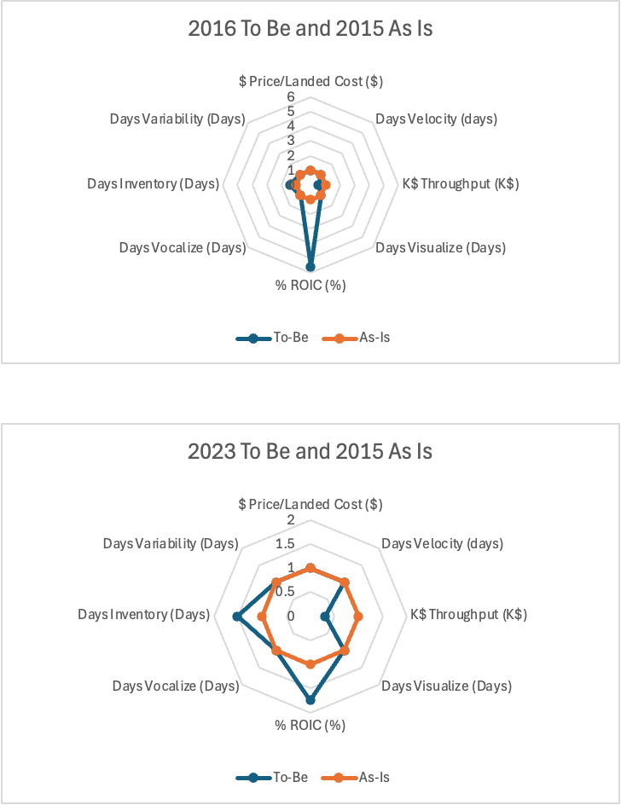
 | Year Ended
(monetary values in millions of $, except dollar price) | 28-Jan-23 | 30-Jan-16 | 31-Jan-15 |  | Value Circle |  |  |  | Unit Circle
Velocity | 1 | 1 | 1 | 2016 (To Be) | 2015 (As Is) | Dimensions | Axes Titles | To-Be | As-Is
Variability | 1 | 1 | 1 | 1 | 1 | $ | Price/Landed Cost ($) | 1 | 1 | To be | As-Is
Vocalize | 1 | 1 | 1 | 1 | 1 | Days | Velocity (days) | 1 | 1 | 0.354 | 0.354
Visualize | 1 | 1 | 1 | 16,498.40 | 8,602.20 | K$ | Throughput (K$) | 0.5213960142 | 1 | 0.184574189 | 0.354
$Dollar Price | 1 | 1 | 1 | 1 | 1 | Days | Visualize (Days) | 1 | 1 | 0.184574189 | 0.354
$Net Sales | 28,318.20 | 16,498.40 | 8,602.20 | 0.06 | 0.33 | % | ROIC (%) | 5.570959062 | 1 | 1.972119508 | 0.354
$COGS | 19,363.30 | 10,841.70 | 5,568.20 | 1 | 1 | Days | Vocalize (Days) | 1 | 1 | 1.972119508 | 0.354
$Merchandise Inventory | 5,449.30 | 2,885.50 | 1,035.70 | 97.14412869 | 67.89097015 | Days | Inventory (Days) | 1.430884379 | 1 | 0.5065330703 | 0.354
Days of Supply | 102.7198102 | 97.14412869 | 67.89097015 | 1 | 1 | Days | Variability (Days) | 1 | 1 | 0.5065330703 | 0.354
$Net Income | 1,615.40 | 282.4 | 599.2 |  |  |  |  |  |  | 0.354 | 0.354
$Assets Net Depreciation | 4,972.20 | 3,125.50 | 1,210.50 |  |  |  |  |  |  | Total Area | Total Area
$Accounts Receivable | 0 | 0 | 0 |  |  |  |  |  |  | 6.034453535 | 2.832
$Accounts Payable | 1,899.80 | 1,251.90 | 433.6
 | 18.96% | 5.93% | 33.06%

 |  |  |  |  | Value Circle |  |  |  | Unit Circle
 |  |  |  |  | 2015 (As Is) | Dimensions | Axes Titles | To-Be | As-Is
 |  |  |  | 1 | 1 | $ | Price/Landed Cost ($) | 1 | 1 | To be | As-Is
 |  |  |  | 1 | 1 | Days | Velocity (days) | 1 | 1 | 0.354 | 0.354
 |  |  |  | 28,318.20 | 8,602.20 | K$ | Throughput (K$) | 0.3037693074 | 1 | 0.1075343348 | 0.354
 |  |  |  | 1 | 1 | Days | Visualize (Days) | 1 | 1 | 0.1075343348 | 0.354
 |  |  |  | 0.19 | 0.33 | % | ROIC (%) | 1.743877569 | 1 | 0.6173326596 | 0.354
 |  |  |  | 1 | 1 | Days | Vocalize (Days) | 1 | 1 | 0.6173326596 | 0.354
 |  |  |  | 102.7198102 | 67.89097015 | Days | Inventory (Days) | 1.513011376 | 1 | 0.535606027 | 0.354
 |  |  |  | 1 | 1 | Days | Variability (Days) | 1 | 1 | 0.535606027 | 0.354
 |  |  |  |  |  |  |  |  |  | 0.354 | 0.354
 |  |  |  |  |  |  |  |  |  | Total Area | Total Area
 |  |  |  |  |  |  |  |  |  | 3.228946043 | 2.832

